DW BALI (Alcohol)
DATE | INV NO. | DESCRIPTIONS | AMOUNT | BILLS | PRICE | SUBTOTAL | TOTAL | DUE DATE | Rp5,060,000
3-Mar-2026 | DW/73/257 | GREY GOOSE VODKA 750 ML | 2 | 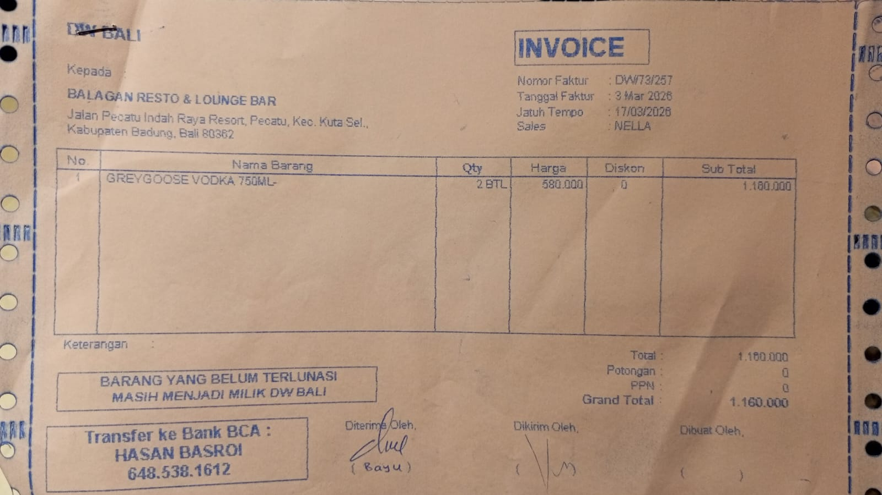 | Rp580,000 | Rp1,160,000 | Rp1,160,000 | 17-Mar-2026
16-Mar-2026 | DW/74/020 | APEROL 700 ML | 3 | 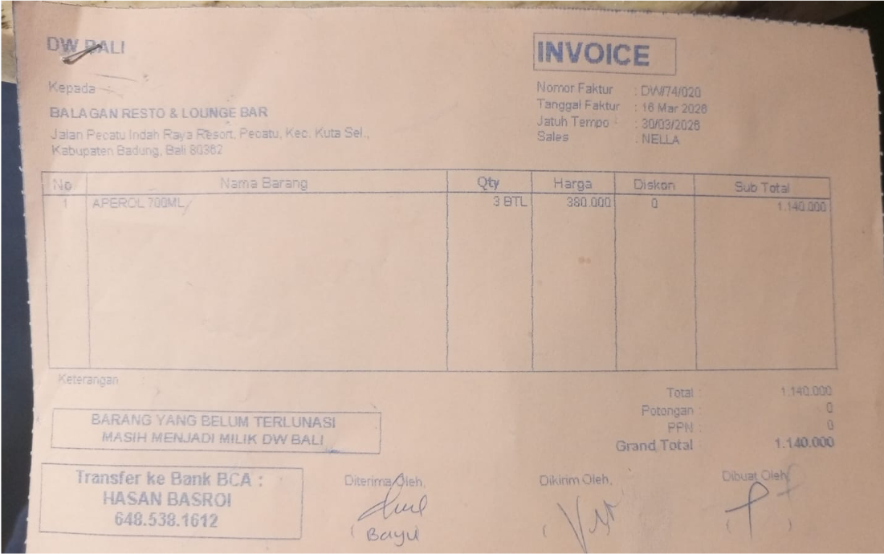 | Rp380,000 | Rp1,140,000 | Rp1,140,000 | 30-Mar-2026
17-Mar-2026 | DW/74/195 | HAVANA CLUB 3 YO 700 ML | 2 | 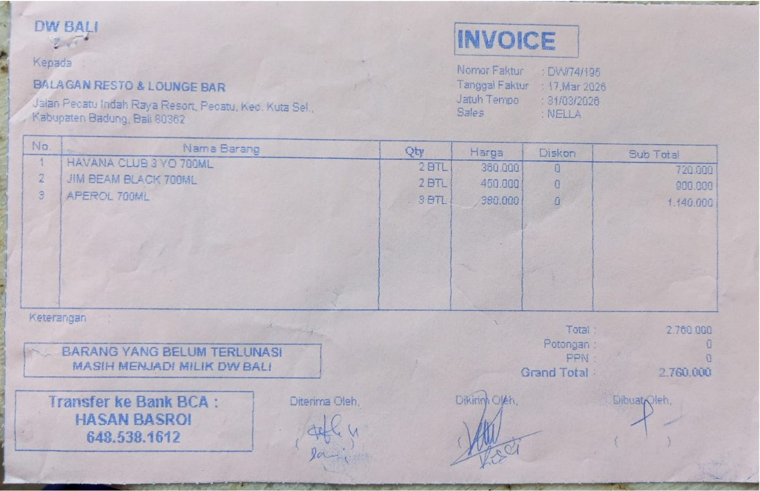 | Rp360,000 | Rp720,000 | Rp2,760,000 | 31-Mar-2026
 |  | JIM BEAM BLACK 700 ML | 2 |  | Rp450,000 | Rp900,000
 |  | APEROL 700 ML | 3 |  | Rp380,000 | Rp1,140,000
 |  |  |  |  |  |  | Rp-
GRAND TOTAL |  |  |  | Rp5,060,000

